Cover
 |  |  |  |  | 
Lessons Lost: Lack of post-project evaluation is hindering evidence based conservation
Author: Alex Caruana

European Regional Development Fund (ERDF) & LIFE Programme Statistics

Table of Contents
 | 1. EU Summary Statistics
 | 2. ERDF
 | 2.1 Filtering Protocol
 | 2.2 EU ERDF Merged Dataset (All Valid Projects)
 | 2.3 EU ERDF Merged Dataset (Filtered: Invasive Alien Species)
 | 2.4 Country Datasets
 |  | 2.4.1 Finland | 2.4.11 Iceland | 2.4.21 Hungary
 |  | 2.4.2 Sweden | 2.4.12 Poland | 2.4.22 Latvia
 |  | 2.4.3 Denmark | 2.4.13 Ireland | 2.4.23 Luxembourg
 |  | 2.4.4 Austria | 2.4.14 Belgium | 2.4.24 Lithuania
 |  | 2.4.5 Germany | 2.4.15 Netherlands | 2.4.25 Greece
 |  | 2.4.6 Czechia | 2.4.16 Croatia | 2.4.26 Malta
 |  | 2.4.7 Slovenia | 2.4.17 Portugal | 2.4.27 Romania
 |  | 2.4.8 Switzerland | 2.4.18 Italy | 2.4.28 Cyprus
 |  | 2.4.9 Estonia | 2.4.19 Slovak Republic | 2.4.29 Bulgaria
 |  | 2.4.10 France | 2.4.20 Spain
 | 2.5 EU-Merged Dataset (Invalid Projects)
 | 3. LIFE Programme
 | 3.1 Filtering Protocol
 | 3.2 EU LIFE Dataset (All Projects)
 | 3.3 EU LIFE Dataset (Filtered: Biodiversity Conservation & Invasive Species)
 | 3.4 EU LIFE Dataset (Filtered: Invasive Alien Species)

 |  |  |  |  |  | Last updated: 1st June 2023

1. EU Summary Statistics
EU-Contributed Funding Comparison between LIFE and ERDF1
EU Funding Statistics
Year | European Regional Development Fund |  |  |  |  | LIFE Programme
 | ERDF Biodiversity Cons & IAS |  | ERDF Invasive Alien Species |  | Proportion of IAS to overall ERDF | LIFE All Projects |  | LIFE Biodiversity Cons & IAS |  | LIFE Invasive Alien Species |  | Proportion of IAS to overall LIFE
 | Total Budget | EU Contribution | All Projects | EU Contribution |  | Total Budget | EU Contribution | Total Budget | EU Contribution | All Projects | EU Contribution
2014 | €42,501,104.77 | €21,758,747.28 | €32,249.38 | €17,548.00 | 0.08% | €451,688,187.00 | €257,234,946.00 | €210,721,419.00 | €129,388,494.00 | €44,397,827.00 | €29,009,276.00 | 11.28%
2015 | €85,409,820.76 | €59,108,696.60 | €10,696,536.81 | €6,750,357.30 | 11.42% | €620,308,364.00 | €320,637,798.00 | €241,259,843.00 | €136,847,756.00 | €8,542,586.00 | €5,077,702.00 | 1.58%
2016 | €209,122,242.12 | €148,961,025.24 | €49,482,966.64 | €39,971,813.00 | 26.83% | €571,516,776.00 | €319,282,478.00 | €248,534,137.00 | €154,766,652.00 | €38,739,468.00 | €26,522,831.00 | 8.31%
2017 | €176,208,639.24 | €119,047,187.68 | €19,364,039.94 | €14,673,979.74 | 12.33% | €656,911,793.00 | €357,018,546.00 | €288,172,726.00 | €173,030,314.00 | €104,047,955.00 | €61,881,472.00 | 17.33%
2018 | €170,015,224.54 | €118,953,114.37 | €20,109,683.68 | €15,225,360.77 | 12.80% | €682,770,227.00 | €366,298,601.00 | €357,162,976.00 | €203,468,187.00 | €54,926,659.00 | €33,057,940.00 | 9.02%
2019 | €193,435,461.17 | €139,922,711.14 | €20,325,873.74 | €16,699,761.96 | 11.93% | €787,467,111.00 | €397,954,030.00 | €444,629,072.00 | €253,012,246.00 | €135,585,385.00 | €78,648,150.00 | 19.76%
2020 | €129,694,211.05 | €105,576,403.92 | €8,298,016.78 | €6,735,021.92 | 6.38% | €668,104,878.00 | €361,308,619.00 | €307,965,076.00 | €167,874,385.00 | €101,683,139.00 | €64,426,824.00 | 17.83%
2021 | €53,066,111.48 | €43,633,617.64 | €1,106,261.34 | €907,146.34 | 2.08% | €202,430,484.00 | €132,448,827.00 | €35,252,547.00 | €21,148,408.00 | €20,835,212.00 | €12,501,122.00 | 9.44%
2022 | €1,780,229.94 | €1,513,195.44 | €578,158.60 | €491,434.81 | 32.48% | N/A | N/A | N/A | N/A | N/A | N/A | N/A
Total | €1,061,233,045.07 | €758,474,699.31 | €129,993,786.91 | €101,472,423.84 | 13.38% | €4,641,197,820.00 | €2,512,183,845.00 | €2,133,697,796.00 | €1,239,536,442.00 | €508,758,231.00 | €311,125,317.00 | 12.38%
 |  |  |  |  |  |  |  |  |  |  |  |  | 1 Double-stacked bar-graph couldn't be repeated in excel as with R, but the same dataset is used.

EU-Contributed Funding Comparison between LIFE and ERDF per Country
EU-Contributed Funding Comparison between LIFE and ERDF1
EU Funding Statistics per Country (2014 - 2030)
Country | ERDF Biodiversity Cons & IAS |  | LIFE Biodiversity Cons & IAS
 | Total Budget | EU Contribution | Total Budget | EU Contribution
Finland | €0.00 | €0.00 | €89,639,201.00 | €53,159,530.00
Sweden | €0.00 | €0.00 | €97,278,880.00 | €56,313,514.00
Denmark | €0.00 | €0.00 | €92,178,966.00 | €54,591,197.00
Austria | €0.00 | €0.00 | €141,882,288.00 | €61,584,026.00
Germany | €54,796,934.19 | €29,546,269.16 | €188,281,983.00 | €188,281,983.00
Czechia | €4,260,714.01 | €3,802,759.85 | €45,264,266.00 | €28,747,701.00
Slovenia | €38,151,063.17 | €0.00 | €52,911,883.00 | €33,364,411.00
Estonia | €0.00 | €0.00 | €31,420,397.00 | €20,348,563.00
France | €116,612,035.09 | €54,499,977.78 | €151,710,405.00 | €93,030,987.00
Poland | €209,933,758.51 | €170,082,509.80 | €32,756,859.00 | €19,654,089.00
Ireland | €0.00 | €0.00 | €74,726,859.00 | €36,065,259.00
Belgium | €0.00 | €0.00 | €107,562,533.00 | €63,596,648.00
Netherlands | €0.00 | €0.00 | €38,736,362.00 | €21,135,700.00
Croatia | €23,165,321.61 | €17,309,079.29 | €21,767,633.00 | €12,623,009.00
Portugal | €24,932,945.59 | €19,356,049.46 | €78,527,337.00 | €46,899,817.00
Italy | €536,801.78 | €268,400.88 | €254,503,504.00 | €154,844,754.00
Slovak Republic | €696,382.44 | €591,925.08 | €48,514,311.00 | €31,733,845.00
Spain | €164,650,476.54 | €117,435,911.87 | €204,331,068.00 | €124,190,640.00
Hungary | €88,947,187.38 | €71,873,827.21 | €30,652,584.00 | €19,855,934.00
Latvia | €624,886.02 | €531,153.11 | €33,886,427.00 | €20,836,398.00
Luxembourg | €0.00 | €0.00 | €6,497,970.00 | €3,897,135.00
Lithuania | €0.00 | €0.00 | €29,533,960.00 | €19,164,712.00
Greece | €12,290,788.27 | €0.00 | €35,584,758.00 | €22,827,161.00
Malta | €4,237,053.00 | €3,389,642.40 | €1,261,940.00 | €757,220.00
Romania | €257,264,125.45 | €218,674,507.24 | €32,802,829.00 | €12,870,009.00
Cyprus | €0.00 | €0.00 | €2,727,130.00 | €1,734,455.00
Bulgaria | €60,132,572.02 | €51,112,686.18 | €33,473,177.00 | €24,287,585.00
United Kingdom | €0.00 | €0.00 | €175,282,286.00 | €101,333,178.00
Total | €1,061,233,045.07 | €758,474,699.31 | €2,133,697,796.00 | €1,327,729,460.00

EU Total Projects per Country (2014 - 2030)
Country | ERDF Biodiversity Cons & IAS | LIFE Biodiversity Cons & IAS

Finland | 0 | 10
Sweden | 0 | 10
Denmark | 0 | 11
Austria | 0 | 16
Germany | 63 | 29
Czechia | 49 | 9
Slovenia | 13 | 10
Estonia | 0 | 5
France | 467 | 27
Poland | 285 | 10
Ireland | 0 | 4
Belgium | 0 | 21
Netherlands | 0 | 19
Croatia | 12 | 6
Portugal | 53 | 16
Italy | 5 | 78
Slovak Republic | 3 | 7
Spain | 152 | 62
Hungary | 68 | 8
Latvia | 3 | 7
Luxembourg | 0 | 2
Lithuania | 0 | 5
Greece | 28 | 11
Malta | 1 | 1
Romania | 95 | 5
Cyprus | 0 | 2
Bulgaria | 79 | 14
United Kingdom | 0 | 30
Total | 1,376 | 435
Average Project Budget | €551,217 | €3,052,252
Standard Deviation | €1,186,677 | €2,838,888

2.1 Filtering Protocol
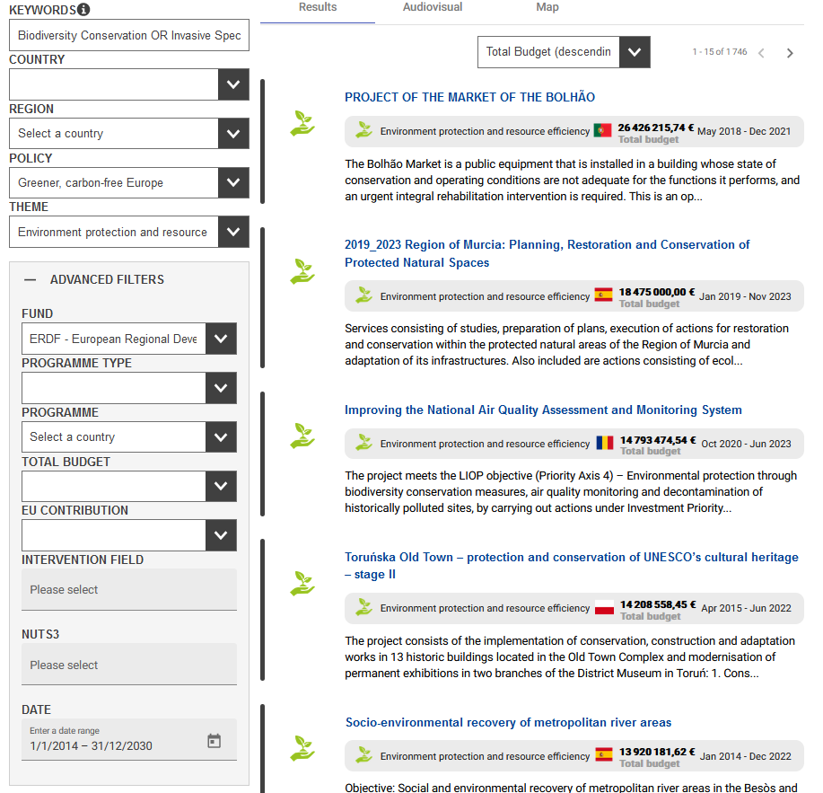
Data Source & Filtering Protocol
Data Source | https://kohesio.ec.europa.eu/en/projects
Keywords | Biodiversity Conservation OR Invasive Species1
Country | N/A2
Region | N/A
Policy | Greener, carbon-free Europe
Theme | Environmental protection and resource efficiency
Fund | ERDF - European Regional Development Fund
Programme Type | N/A
Programme | N/A
Total Budget | N/A
EU Contribution | N/A
Intervention Field | N/A
Nuts 3 | N/A
Date | 1/1/2014 - 31/12/2030

1 The EU website has artificial-intelligence embedded into the search term to expand on provided keywords and capture related projects. The was left activated to largen the overall project pool.

2 The EU website does not allow excel-sheet extraction for search terms with > 1,000 projects, thus each country was searched and extracted individually, then merged.

NB: As of 18th February 2023, the total projects captured is 1,746.

3.1 Filtering Protocol
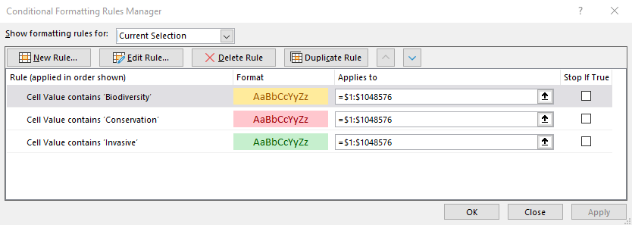
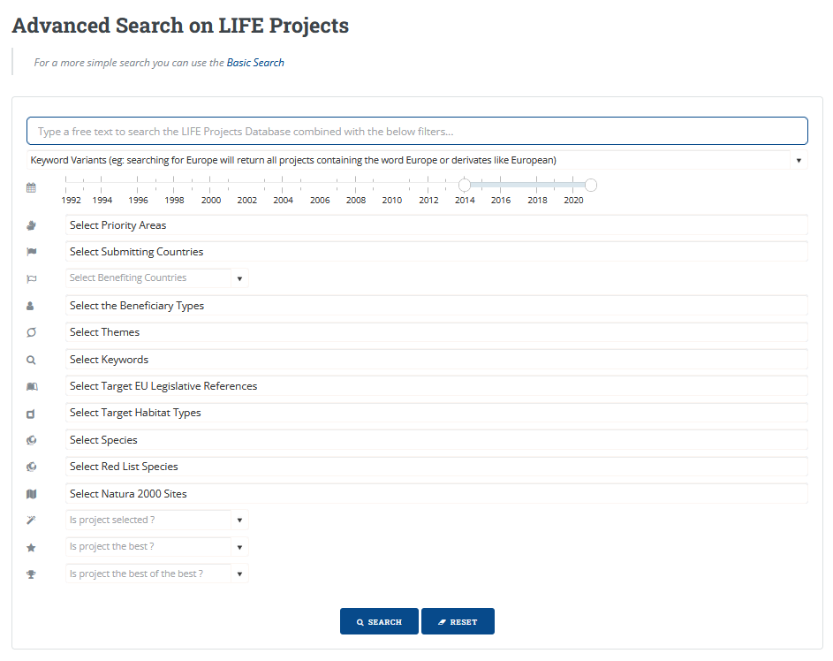
LIFE Data Source & Filtering Protocol
Data Source | https://webgate.ec.europa.eu/life/publicWebsite/search
Keywords | N/A1
Year Range | 2014 - 20212
Priority Areas | N/A
Submitting Countries | N/A
Benefitting Countries | N/A
Themes | N/A
Keywords | N/A
EU Legislative References | N/A
Habitat Types | N/A
Species | N/A
Red List Species | N/A
Natura2000 | N/A
Project selected | N/A
Best Project | N/A
Best of the best Project | N/A

1 No keywords had been entered to gather the entire dataset.
2 The year range is limited to 2021, hence it could not be extended.
NB: As of 18th February 2023, the total projects captured is 1,187.

Excel Dataset Filtering
Conditional formatting Keywords used1 | Biodiversity, Conservation, Invasive, Resource2

1 After filtering all projects within the sheet where manually reviewed to ensure relevance
2 The term 'resource' was added as a filtering protocol as some non-relevant projects where captured by the phrase 'conservation (e.g., 'Water conservation'). Extra caution was taken when reviewing these projects.

